Weekly Progress Report
MODON - Weekly Progress Report - Construction Projects |  |  |  |  |  |  |  |  |  |  |  |  |  |  |  |  |  |  |  |  |  |  |  |  |  |  |  |  |  |  | Data Date | 20-Oct-26
Contract General Information |  |  |  |  |  | Key Dates |  |  |  |  |  | Cost Summary (SR) |  |  |  |  |  |  |  | Performance Summary |  |  |  |  |  | Project Scope
Project Name | Development of Infrastructure for phase 1 of the Logistics area at the 2nd Industrial City in Dammam |  |  |  |  | Contract Award | 30-Jun-25 | Contract Award (Hijri) | 30/06/2025 | Revised Completion | 29-Jan-27 | Original Contract Value |  | 198,906,163 |  | O&M Value (if any) |  | 0 |  | Plan Value | 70.66% | Phys. Plan Value | 71.09% | Quality Score | 93.0% | The project consists of the wet networks mainlines (Sewerage, Storm, Potable, Firefighting & TSE) including the force main line, in addition to the dry networks (Medium Voltage, Low Voltage, Street Lighting & Telecommunication) road crossings & main line connections, scope also included supply, install, testing & commissioning for the potable water pump station and the sewage lift station and implementation of guard rooms and applying all the road earth layers till the asphalt wearing coarse for the project scope area internal roads & finishing the landscape
Project ID | DAM2-02-009 |  | Stage | Construction |  | Contract Sign | 14-Jul-25 | Contract Sign (Hijri) | 14/07/2025 | Committed Completion | 29-Jan-27 | Revised Contract Value |  | 198,906,163 |  | Submitted Invoices (Gross Value) |  | 62,889,674 |  | Earn Value | 54.47% | Phys. Earn Value | 57.90% |  | ¢¢¢¢¢ ¢¢¢¢£
Contractor | Shibh Aljazira Contracting Company |  | Status | Active |  | Site Handover | 30-Jul-25 | Site Handover (Hijri) | 30/07/2025 | Forecast Completion | 14-Feb-27 | Estimate At Completion Value |  | 198,906,163 |  | Penalities |  | (104,500) |  | Variance | (16.2%) | Variance | (13.2%) | Safety Score | 92.9%
Consultant | Egis |  | Modon PM | Muhammad H Al-Essa |  | Original Completion | 29-Jan-27 | Original Completion (Hijri) | 29/01/2027 | Variance | (16) | Potential Changes |  | 0 |  | FIR Value (Todate) |  | 84,260,707 |  | FIR % | 42% | Invoiced % | 32% |  | ¢¢¢¢¢ ¢¢¢¢£

Progress Overview
Earned Value Progress (SAR) |  |  |  |  |  |  |  |  |  |  |  |  |  | Physical Progress (Effort) |  |  |  |  |  |  |  |  |  |  |  | Earned Value Progress (%)
WBS |  | BOQ Value (SAR) | % Wt. | Weekly (SAR) |  | To Date (SAR) |  |  |  |  |  |  |  | Budgeted | % Wt. | Weekly Physical Progress |  |  |  | To Date Physical Progress
 |  |  |  | Planned | Earned | Original Plan | Revised Planned | Earned | Original Plan % | Revised Planned % | Earned % | Variance | SPI | (Manhours) |  | Planned | Earned | Plan % | Earned % | Planned | Earned | Plan % | Earned % | Variance | SPI
Demolishing & Site Clearing |  | 457,401 | 0.2% | - | - | 457,401.18 | 457,401.18 | 457,401.18 | 100.0% | 100.0% | 100.0% | 0.0% | 1.00 | 3,437.41 | 0.4% | - | - | 0.0% | 0.0% | 3,437.41 | 3,437.41 | 100.0% | 100.0% | 0.0% | 1.00
Earthworks & Site Grading |  | 31,040,592 | 15.6% | - | - | 31,040,591.65 | 31,040,591.65 | 29,924,053.16 | 100.0% | 100.0% | 96.4% | -3.6% | 0.96 | 22,808.80 | 2.5% | - | - | 0.0% | 0.0% | 22,808.80 | 21,945.45 | 100.0% | 96.2% | -3.8% | 0.96
Sewerage Network |  | 5,111,122 | 2.6% | 22,221.96 | 19,950.12 | 5,091,236.27 | 5,091,236.27 | 4,581,972.17 | 99.6% | 99.6% | 89.6% | -10.0% | 0.90 | 74,260.44 | 8.1% | 1,004.45 | 217.98 | 1.4% | 0.3% | 63,844.93 | 61,523.35 | 86.0% | 82.8% | -3.1% | 0.96
Storm Water Network |  | 21,808,728 | 11.0% | 373,528.76 | 544,011.74 | 20,893,008.47 | 20,893,008.47 | 18,936,432.18 | 95.8% | 95.8% | 86.8% | -9.0% | 0.91 | 143,781.21 | 15.6% | 2,050.16 | 5,276.51 | 1.4% | 3.7% | 126,434.17 | 118,557.55 | 87.9% | 82.5% | -5.5% | 0.94
Potable Water Network |  | 1,954,044 | 1.0% | 247,588.80 | - | 1,829,021.10 | 1,829,021.10 | 1,060,337.72 | 93.6% | 93.6% | 54.3% | -39.3% | 0.58 | 57,934.51 | 6.3% | 2,338.75 | - | 4.0% | 0.0% | 45,314.91 | 34,572.01 | 78.2% | 59.7% | -18.5% | 0.76
Fire Fighting Network |  | 4,678,457 | 2.4% | 222,667.04 | - | 4,154,735.30 | 4,154,735.30 | 3,069,245.61 | 88.8% | 65.6% | 65.6% | 0.0% | 1.00 | 63,346.29 | 6.9% | 1,054.05 | - | 1.7% | 0.0% | 46,946.75 | 35,344.31 | 74.1% | 55.8% | -18.3% | 0.75
TSE Network |  | 2,995,734 | 1.5% | 7,624.54 | 4,798.13 | 2,890,249.63 | 2,890,249.63 | 691,639.78 | 96.5% | 23.1% | 23.1% | 0.0% | 1.00 | 48,137.98 | 5.2% | 2,756.68 | 280.57 | 5.7% | 0.6% | 30,407.13 | 21,771.81 | 63.2% | 45.2% | -17.9% | 0.72
Potable Water Pump Station |  | 11,076,182 | 5.6% | 871,038.90 | - | 7,778,556.94 | 7,778,556.94 | 1,734,353.19 | 70.2% | 70.2% | 15.7% | -54.6% | 0.22 | 71,778.26 | 7.8% | 3,916.80 | - | 5.5% | 0.0% | 55,212.98 | 48,814.42 | 76.9% | 68.0% | -8.9% | 0.88
Sewerage Lift Station |  | 4,985,125 | 2.5% | 407,169.42 | 57,598.58 | 798,505.73 | 798,505.73 | 115,223.71 | 16.0% | 16.0% | 2.3% | -13.7% | 0.14 | 70,758.97 | 7.7% | 4,814.70 | 272.87 | 6.8% | 0.4% | 59,468.75 | 49,496.90 | 84.0% | 70.0% | -14.1% | 0.83
Medium Voltage Network |  | 5,452,229 | 2.7% | 269,033.47 | 406,639.88 | 4,451,469.67 | 4,451,469.67 | 1,895,375.67 | 81.6% | 34.8% | 34.8% | 0.0% | 1.00 | 34,290.88 | 3.7% | 3,548.97 | 2,139.67 | 10.3% | 6.2% | 23,559.75 | 16,079.61 | 68.7% | 46.9% | -21.8% | 0.68
Low Voltage Network |  | 1,876,943 | 0.9% | 391,820.55 | 108,822.60 | 1,463,373.35 | 1,463,373.35 | 125,449.44 | 78.0% | 6.7% | 6.7% | 0.0% | 1.00 | 31,587.58 | 3.4% | 2,909.49 | 4,155.36 | 9.2% | 13.2% | 18,110.79 | 11,200.92 | 57.3% | 35.5% | -21.9% | 0.62
Street Lighting Network |  | 8,486,131 | 4.3% | 551,969.82 | 1,341,942.58 | 3,936,228.49 | 3,936,228.49 | 2,858,226.78 | 46.4% | 33.7% | 33.7% | 0.0% | 1.00 | 76,760.06 | 8.3% | 3,939.88 | 5,046.15 | 5.1% | 6.6% | 37,091.48 | 25,724.17 | 48.3% | 33.5% | -14.8% | 0.69
Telecommunication Network |  | 4,454,966 | 2.2% | 551,193.35 | 114,597.64 | 3,054,463.68 | 3,054,463.68 | 1,079,952.36 | 68.6% | 68.6% | 24.2% | -44.3% | 0.35 | 62,092.94 | 6.7% | 6,921.42 | 1,356.84 | 11.1% | 2.2% | 36,756.61 | 16,818.91 | 59.2% | 27.1% | -32.1% | 0.46
Road Works |  | 79,068,381 | 39.8% | 4,694,358.02 | 336,968.14 | 52,058,577.55 | 52,058,577.55 | 41,659,930.91 | 65.8% | 65.8% | 52.7% | -13.2% | 0.80 | 80,303.58 | 8.7% | 10,540.52 | 314.34 | 13.1% | 0.4% | 46,630.85 | 27,615.16 | 58.1% | 34.4% | -23.7% | 0.59
Landscape |  | 14,727,630 | 7.4% | 343,486.94 | - | 485,726.40 | 485,726.40 | 98,475.60 | 3.3% | 3.3% | 0.7% | -2.6% | 0.20 | 44,855.31 | 4.9% | 2,273.25 | - | 5.1% | 0.0% | 8,856.02 | 14,158.54 | 19.7% | 31.6% | 11.8% | 1.60
Guard Rooms |  | 539,598 | 0.3% | 49,393.51 | - | 155,239.20 | 155,239.20 | 49,342.79 | 28.8% | 28.8% | 9.1% | -19.6% | 0.32 | 34,095.79 | 3.7% | 2,848.95 | - | 8.4% | 0.0% | 29,294.65 | 25,734.12 | 85.9% | 75.5% | -10.4% | 0.88
Provisional Sum |  | 192,901 | 0.1% | - | - | - | - | - | 0.0% | 0.0% | 0.0% | 0.0% |  | - | 0.0% | - | - | 0.0% | 0.0% | - | - | 0.0% | 0.0% | 0.0%
 | Total | 198,906,163 | 100.0% | 9,003,095 | 2,935,329 | 140,538,385 | 140,538,385 | 108,337,412 | 70.66% | 70.66% | 54.47% | -16.19% | 0.77 | 920,230 | 100.0% | 50,918 | 19,060 | 5.53% | 2.07% | 654,176 | 532,795 | 71.09% | 57.90% | -13.19% | 0.81
Earned Value - Cost
 | Baseline Plan | Revised / Recovery Plan | Earned Value | Forecast | Gross Paid Value
Jul-25 | 0.0% | 0.3% | 0.0% |  | 0.0%
Aug-25 | 0.9% | 1.7% | 0.0% |  | 0.0%
Sep-25 | 1.9% | 5.1% | 1.4% |  | 0.0%
Oct-25 | 4.8% | 11.1% | 3.3% |  | 0.0%
Nov-25 | 11.0% | 16.9% | 8.9% |  | 1.7%
Dec-25 | 19.3% | 22.2% | 19.2% |  | 4.4%
Jan-26 | 25.5% | 27.3% | 25.1% |  | 9.9%
Feb-26 | 31.9% | 30.7% | 31.4% |  | 9.9%
Mar-26 | 39.0% | 32.5% | 36.6% |  | 16.5%
Apr-26 | 53.3% | 34.9% | 39.0% |  | 16.5%
May-26 | 64.1% | 37.8% | 41.1% |  | 16.5%
Jun-26 | 68.9% | 43.6% | 50.3% |  | 21.2%
Jul-26 | 77.4% | 68.8% | 46.5% |  | 25.2%
Aug-26 | 82.2% | 86.6% | 53.1% |  | 25.2%
Sep-26 | 86.2% | 95.7% | 49.6% |  | 31.6%
Oct-26 | 90.9% | 100.0% | 54.5% | 54.5%
Nov-26 | 99.0% | 100.0% |  | 81.6%
Dec-26 | 100.0% | 100.0% |  | 92.6%
Jan-27 | 100.0% | 100.0% |  | 100.0%
Feb-27
Mar-27
Apr-27
May-27
Jun-27
Physical Progress - Effort
 | Baseline Plan | Revised / Recovery Plan | Earned Effort % | Forecast
Jul-25 | 0.0% | 0.0% | 0.0%
Aug-25 | 0.5% | 0.0% | 0.4%
Sep-25 | 1.2% | 0.3% | 0.9%
Oct-25 | 2.6% | 1.0% | 1.6%
Nov-25 | 5.1% | 2.0% | 2.8%
Dec-25 | 11.1% | 4.0% | 4.9%
Jan-26 | 21.7% | 6.9% | 7.7%
Feb-26 | 34.5% | 10.6% | 11.4%
Mar-26 | 46.9% | 14.1% | 15.6%
Apr-26 | 61.5% | 18.6% | 22.7%
May-26 | 72.2% | 22.5% | 28.9%
Jun-26 | 79.8% | 26.5% | 37.3%
Jul-26 | 86.9% | 30.6% | 40.1%
Aug-26 | 92.2% | 34.8% | 42.8%
Sep-26 | 95.4% | 55.9% | 49.7%
Oct-26 | 97.1% | 78.9% | 57.9% | 57.9%
Nov-26 | 98.9% | 92.9% |  | 79.4%
Dec-26 | 99.6% | 100.0% |  | 96.4%
Jan-27 | 100.0% | 100.0% |  | 100.0%
Feb-27
Mar-27
Apr-27
May-27
 |  |  |  |  |  |  |  |  |  |  |  |  |  |  |  |  |  |  |  |  |  |  |  |  |  | Construction Milestones
 |  |  |  |  |  |  |  |  |  |  |  |  |  |  |  |  |  |  |  |  |  |  |  |  |  | Item No. | Milestones |  | Original (Baseline) | Latest Plan | Forecast | Status | Days Change
 |  |  |  |  |  |  |  |  |  |  |  |  |  |  |  |  |  |  |  |  |  |  |  |  |  | 1 | Award Date |  | 30-Jun-25 | 30-Jun-25 | 30-Jun-25 | A | 0
 |  |  |  |  |  |  |  |  |  |  |  |  |  |  |  |  |  |  |  |  |  |  |  |  |  | 2 | Contract Sign Date |  | 14-Jul-25 | 14-Jul-25 | 14-Jul-25 | A | 0
 |  |  |  |  |  |  |  |  |  |  |  |  |  |  |  |  |  |  |  |  |  |  |  |  |  | 3 | Site Handover Date |  | 30-Jul-25 | 30-Jul-25 | 30-Jul-25 | A | 0
 |  |  |  |  |  |  |  |  |  |  |  |  |  |  |  |  |  |  |  |  |  |  |  |  |  | 4 | Complete Mobilization |  | 30-Aug-25 | 30-Aug-25 | 30-Aug-25 | A | 0
 |  |  |  |  |  |  |  |  |  |  |  |  |  |  |  |  |  |  |  |  |  |  |  |  |  | 7 | Complete Earthworks |  | 15-Sep-26 | 15-Sep-26 | 25-Aug-26 | F | 21
 |  |  |  |  |  |  |  |  |  |  |  |  |  |  |  |  |  |  |  |  |  |  |  |  |  | 8 | Complete all Wet Networks |  | 22-Nov-26 | 22-Nov-26 | 17-Dec-26 | F | (25)
 |  |  |  |  |  |  |  |  |  |  |  |  |  |  |  |  |  |  |  |  |  |  |  |  |  | 9 | Complete Electrical Works |  | 24-Nov-26 | 24-Nov-26 | 21-Dec-26 | F | (27)
 |  |  |  |  |  |  |  |  |  |  |  |  |  |  |  |  |  |  |  |  |  |  |  |  |  | 10 | Complete all Works including Testing & Commissioning, Cleanup, Closeout Documentation and Ready for Initial Handover |  | 14-Jan-27 | 14-Jan-27 | 14-Feb-27 | F | (31)
 |  |  |  |  |  |  |  |  |  |  |  |  |  |  |  |  |  |  |  |  |  |  |  |  |  | 11 | Complete Demobilization |  | 25-Jan-27 | 25-Jan-27 | 24-Feb-27 | F | (30)
 |  |  |  |  |  |  |  |  |  |  |  |  |  |  |  |  |  |  |  |  |  |  |  |  |  | 12 | Project Handover |  | 29-Jan-27 | 29-Jan-27 | 1-Mar-27 | F | (31)
Project Status Score
 | Max | Score
SPI (Physical Effort) | 100% | 81%
SPI (Cost) | 100% | 77%
On Schedule -Active | 100% | 383%
Manpower Availability | 100% | 134%
Major Equipment Availability | 100% | 217%
Billing % Compared to Planned | 100% | 0%
Safety Score | 100% | 92%
Quality Score | 100% | 0%
Actual Invoices
 | Monthly Gross Value
 | 3,437,652.20
 | 5,352,442.12
 | 10,988,940.12
 | 12,998,014.00
 | 9,370,944.56
 | 8,014,146.05
 | 12,727,534.48

8,984,239

Performance overview
Submittals Status |  |  |  |  |  |  |  |  |  |  | Quality |  |  |  |  |  |  |  |  |  |  | Safety
Shop Drawings |  |  |  |  |  |  |  |  |  |  | Quality Reports |  |  |  |  |  |  |  |  |  |  | Safety Statistics |  |  |  |  |  |  |  | Proactive Vs Reactive Actions Taken
Item Per WBS |  | Total | Total Submitted Drawings |  |  |  |  | Remaining | Pending | Total Submittals | Quality Reports |  | Issued | Closed | Pending | Avg. Closing (Days) | Pending |  |  |  |  | Category | Item |  | This Week |  | This Month | Year to Date | Cumulative
 |  |  | A | B | C | D | Processed |  |  |  |  |  |  |  |  |  | 0-10 Days | 11-20 Days | 21-30 Days | 31-60 Days | > 60 Days
CVL |  | 1063 | 8 | 1055 | 0 | 0 | 1063 | 0 | 0 | 1063 |  |  |  |  |  |  |  |  |  |  |  | General | Total Hours Worked |  | 34,740 |  | 104,220 | 809,664 | 874,722 |  |  | Proactive | 6
Mech |  | 212 | 0 | 212 | 0 | 0 | 212 | 0 | 0 | 212 | Non Conformance (NCR) |  | 4 | 3 | 1 | 0 | 0 | 0 | 0 | 0 | 0 |  | Safe Hours Worked |  | 34,740 |  | 104,220 | 809,664 | 874,722 |  |  | Reactive | 0
Elec |  | 41 | 0 | 41 | 0 | 0 | 41 | 0 | 0 | 41 | Site Instruction (SIR) |  | 52 | 42 | 10 | 0 | 0 | 0 | 0 | 0 | 0 | Reactive | LTI |  | 0 |  | 0 | 0 | 0
Landscape & Arch |  | 458 | 0 | 458 | 0 | 0 | 458 | 0 | 0 | 458 | Material Inspection (MIR) |  | 116 | 113 | 3 | 0 | 0 | 0 | 0 | 0 | 0 |  | MTC (Healed w/o Disability) |  | 0 |  | 0 | 0 | 0
 |  |  |  |  |  |  |  |  |  |  | Field Inspection (FIR) |  | 4,699 | 4,481 | 218 | 0 | 0 | 0 | 0 | 0 | 0 |  | MTC (Healed w/ Disability) |  | 0 |  | 0 | 0 | 0
TOTAL |  | 1,774 | 8 | 1,766 | 0 | 0 | 1,774 | 0 | 0 | 1,774 | Key Submittals Approval Status |  |  |  |  |  |  |  |  |  |  |  | Near Miss |  | 0 |  | 0 | 0 | 0
Material Approval |  |  |  |  |  |  |  |  |  |  | 1 Quality Plan Approval |  |  | 24-Feb-24 |  | 6 Baseline Approval |  |  |  | 10-Mar-24 |  |  | First Aid Cases |  | 0 |  | 0 | 0 | 0 | Total Hours Worked Vs Safe Hours Worked
Item Per WBS |  | Total | Total Submitted Material |  |  |  |  | Remaining to approve | Pending | Total Submittals | 2 Quality Plan Last Up |  |  | 24-Feb-24 |  | 7 No of Approved Version of Schedule |  |  |  | 1 |  |  | Fatality |  | 0 |  | 0 | 0 | 0
 |  |  | A | B | C | D | Processed |  |  |  | 3 Safety Plan Approval |  |  | 28-Feb-24 |  | 8 Last Approved Schedule |  |  |  | 10-Mar-24 |  |  | Fire Incident Cases |  | 0 |  | 0 | 0 | 0
Civil & Roads |  | 77 | 2 | 74 | 3 | 1 | 76 | 1 | 4 | 84 | 4 Safety Plan Last Up |  |  | 28-Feb-24 |  | 9 BOQ Approval Date |  |  |  | 0 |  |  | Vehicle Incident |  | 0 |  | 0 | 0 | 0
Electrical |  | 30 | 0 | 22 | 0 | 0 | 22 | 8 | 0 | 22 | 5 Construction Plan Approval |  |  | 26-Feb-24 |  | 10 No of Approved Version of BOQ |  |  |  | 1 |  |  | Property Damages |  | 0 |  | 0 | 0 | 0
Mechanical |  | 48 | 0 | 41 | 0 | 2 | 41 | 7 | 3 | 46 | Invoices Summary |  |  |  |  |  |  |  |  |  |  | Proactive | Induction Training |  | 7 |  | 69 | 114(571) | 148(895)
 |  |  |  |  |  |  |  |  |  |  | Total Submitted Invoices |  | 7 | Submitted Invoices (SAR) |  |  | 62,889,674 |  | Contract Value (SR) | 198,906,163 |  |  | No.of Internal Training |  | 1 (6) |  | 3 (11) | 6(29) | 14(104)
 |  |  |  |  |  |  |  |  |  |  | PM Approved Invoices |  | 0 | PM Approved Invoices (SAR) |  |  | 0 |  | Planned Value (SR) | 140,538,385 |  |  | No.of Internal Audit |  | 0 |  | 1 | 4 | 4
TOTAL |  | 155 | 2 | 137 | 3 | 3 | 139 | 16 | 7 | 152 | No of Paid Invoices |  | 0 | Paid Invoices (SAR) |  |  | 0 |  | Earned Value (SR) | 108,337,412 |  |  | No. of Toolbox Talks |  | 3(355) |  | 3(648) | (43(3442) | 56(8671)
Procurement Summary |  |  |  |  |  |  |  |  |  |  | No of Pending Invoices |  | 0 | Last Submitted Period |  |  | 15-Sep-26 |  | Submitted (SAR) | 62,889,674 |  |  | Safety Awards/Incentives |  | 0 |  | 0 | 1 | 2
Item Per WBS |  | Total Materials | Total Number of P.O. | Actual P.O. To Date | Remaining P.O | Material on Site | Remaining Materials | Material Delivery Completion (Date) |  |  | Advance Payment % |  | 0% | Advance Payment (SAR) |  |  | 0 |  | PM Approved (SAR) | 0 |  | Latest Contract Change Order Log
 |  |  |  |  |  |  |  |  |  |  | Retention % |  | 0% | Retention (SAR) |  |  | 0 |  | Total Paid (SAR) | 0
Civil & Roads |  | 77 | 77 | 76 | 1 | 55 | 22 | 9-Nov-2026 |  |  | Deduction / Penalties % |  | 0% | Deduction / Penalties (SAR) |  |  | (104,500) |  |  |  |  | CCO No. | Date Added | Description of Change |  |  |  |  | Status | Cost | Sch Impact (Months) | Date Approved | Duration
Electrical |  | 30 | 30 | 22 | 0 | 17 | 13 | 27-Sep-2026 |  |  | Resources at Site
Mechanical |  | 48 | 48 | 42 | 0 | 25 | 23 | 28-Sep-2026 |  |  | Head Count - Non Manual |  |  |  | Head Count - Manual |  |  |  | Total Head Count |  |  | 0 | 0 | 0 |  |  |  |  | 0 | 0 | 0 | 0 | 0
 |  |  |  |  |  |  |  |  |  |  | Planned | Actual | Next Month Forecast | Saudi Staff | Planned | Actual | Next Month Forecast | Saudi Staff | Total Plan | Total Actual | Variance
 |  |  |  |  |  |  |  |  |  |  | 35 | 57 | 117 | 4 | 360 | 483 | 560 | 0 | 395 | 540 | 145
TOTAL |  | 48 | 48 | 42 | 0 | 25 | 23 | 9-Nov-26 |  |  | Manpower Breakdown by Trade |  |  |  |  |  |  | Major Equipment
 | Plan - Monthly | Actual - Monthly | Forecast - Monthly
Jul-25 | 1 | 5
Aug-25 | 12 | 31
Sep-25 | 18 | 65
Oct-25 | 35 | 80
Nov-25 | 85 | 93
Dec-25 | 116 | 146
Jan-26 | 205 | 151
Feb-26 | 203 | 172
Mar-26 | 244 | 217
Apr-26 | 248 | 305
May-26 | 263 | 364
Jun-26 | 258 | 408
Jul-26 | 243 | 420
Aug-26 | 391 | 499
Sep-26 | 142 | 519
Oct-26 | 78 | 537
Nov-26 | 78 |  | 560
Dec-26 | 24 |  | 324
Jan-27 | 15 |  | 155
Primavera P6 Schedule Status |  |  |  |  |  |  |  |  |  |  | Key Trade | Planned | Actual |  |  |  |  | Type | Planned | Actual | Idle
Project Activities Overview |  |  |  |  |  |  |  |  |  |  | General Labor | 120 | 119 |  |  |  |  | Excavator | 22 | 23 | 0
Schedule Statistics |  |  |  |  | Active Schedule Activities |  |  |  |  |  | Carpenter | 15 | 68 |  |  |  |  | Loader | 8 | 13 | 0 | Major Quantity Trackers
Total Act. | Not Started | In Progress | Completed | % | Active | Ahead | On | Behind | Flag | 0 | Plumber | 16 | 33 |  |  |  |  | W.Tanker | 14 | 18 | 0 | BOQ N0. | Item Description |  |  |  |  | Total Qty | Measu Unit | Plan to Date | Act to Date | Remaining | Variance
4,851 | 1,938 | 431 | 2,482 | 51.16% | 431 | 10 | 1,639 | 202 | 1,447 |  | Operator | 125 | 237 |  |  |  |  | Dumper | 28 | 163 | 0 | B1.1.31 23 19.01 | Surface Dewatering |  |  |  |  | 1.00 | Unit | 1.00 | 1.00 | 0.00 | 0.00
Critical Path Activities |  |  | Free Float Management (Total) |  |  |  | Failed Start Activities |  |  |  | Surveyor | 14 | 9 |  |  |  |  | Dozer | 8 | 10 | 0 | B1.1.31 23 16.01 | All Excavation |  |  |  |  | 853395.00 | m³ | 853395.00 | 825820.73 | 27574.27 | -27574.27
 |  |  | Greater Than 14 Days |  | Less Than 14 Days |  |  |  |  |  | Others | 70 | 17 |  |  |  |  | Grader | 8 | 8 | 0 | B1.1.31 23 23.01 | All Backfilling |  |  |  |  | 1481028.01 | m³ | 1481028.01 | 1356040.32 | 124987.69 | -124987.69
Last Week | This Week | Diff | Last Week | This Week | Last Week | This Week | Last Week | This Week | Flag | 0 |  |  |  |  |  |  |  | Other | 62 | 91 | 0 | B1.2.32 11 26.01 | Asphalt (Base+Wearing) |  |  |  |  | 64334.00 | m³ | 55840.97 | 25855.83 | 38478.17 | -29985.14
45 | 45 | 0 | 490 | 527 | 2019 | 1840 | 993 | 1047 | -54 |  | Total | 360 | 483 |  |  |  |  | Total | 150 | 326 | 0 | 33 31 00 | Sew. Pipes |  |  |  |  | 7567.08 | Lm | 2.01 | 6773.83 | 793.25 | 6771.82
Weekly Prgoress Photos |  |  |  |  |  |  |  |  |  |  |  |  |  |  |  | Top Issues and Risks
Road & Plots Works |  |  |  |  | Wet Utilities |  |  | Pump & Lift Station |  |  | Dry Utilities |  |  |  |  | Top 5 Issues
 |  |  |  |  |  |  |  |  |  |  |  |  |  |  |  | Issue No | Date Identified | Issue Description |  |  |  | Responsible | Action Taken |  |  | Mitigation |  |  |  |  | Current Status | Expected/Actual Closure | Duration Elapsed
 |  |  |  |  |  |  |  |  |  |  |  |  |  |  |  | 1 | 2026-04-01 | قلة عدد العمالة والمعدات و توقف مقاول الباطن |  |  |  | Contractor | جاري اسناد جزء من المشروع لمقاول آخر و جاري توفير عمالة من الشركة لاستكمال الاعمال المتبقية حيث ان عدد العمالة الحالي 304 والمعدات 184 معدة والمضخات الى 30 مضخة نزح ,و وجوب استمرار زيادة العمالة والمعدات لتحقيق مستهدفات مدن |  |  |  |  |  |  |  | Open | 2026-05-01 | 202
 |  |  |  |  |  |  |  |  |  |  |  |  |  |  |  | 2 | 2026-06-01 | تأخر أعمال العبارة بالطريق الشرياني |  |  |  | Contractor | جاري الانتهاء من الحدادة ل 16 فواصل وصب قاعدة لعدد 03 فاصل تم حفر 14 و جاري 03 فواصل أخرى |  |  |  |  |  |  |  | Open | 2026-07-01 | 141
 |  |  |  |  |  |  |  |  |  |  |  |  |  |  |  | 3 | 2026-06-01 | ضرورة الانتهاء من تنفيذ الشبكات لتحقيق جاهزية الموقع وبدء أعمال الطرق |  |  |  | Other | تم استبعاد مقاول الباطن يوناسكو و سحب اعتماده لعدم وفاءه بمستهدفات مدن و على المقاول العمل بشكل مباشر على الشبكات او تقديم مقاول باطن للاعتماد |  |  |  |  |  |  |  | Open | 2026-07-01 | 141
 |  |  |  |  |  |  |  |  |  |  |  |  |  |  |  | 4 |  |  |  |  |  |  | 0
 |  |  |  |  |  |  |  |  |  |  |  |  |  |  |  | 5 |  |  |  |  |  |  | 0

Weekly Photos
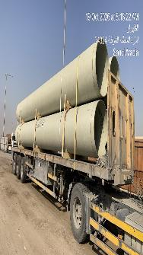
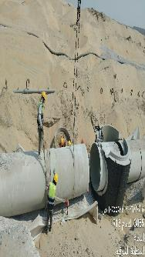
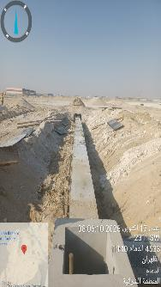
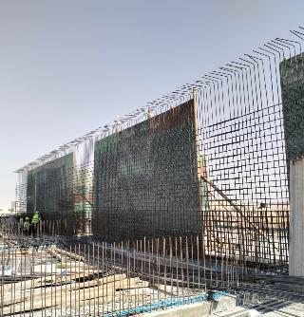
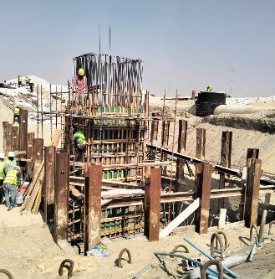
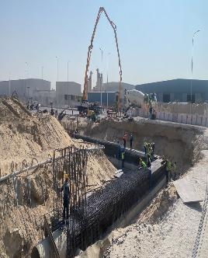
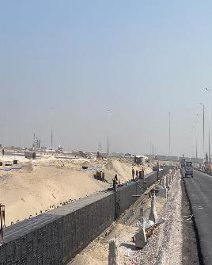
Date | 20-Oct-26

Road & Plots Works |  |  | Dry Utilities
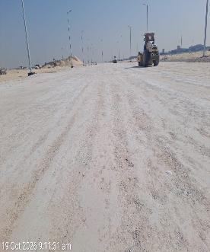
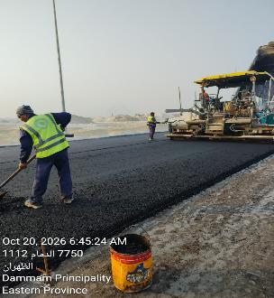
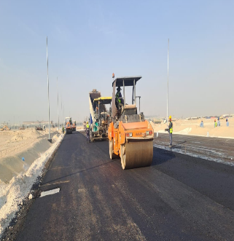
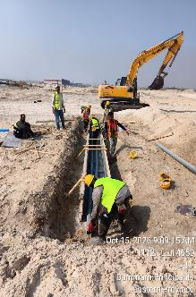
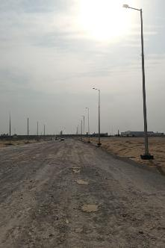
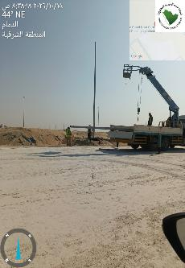
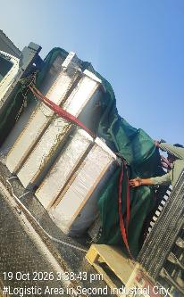

Wet Utilities |  | Pump & Lift Station |  | Box Culvert

Risk Register

Department: |  |  |  |  |  |  |  |  | Status Date:
Program |  |  |  |  |  |  |  |  | 20-Oct-26
Project: |  |  | Development of Infrastructure for phase 1 of the Logistics area at the 2nd Industrial City in Dammam
Project No.: |  |  | DAM2-02-009
Project Location: |  |  | 2nd Industrial City in Dammam

 |  |  |  |  |  |  |  |  |  |  |  |  |  |  |  | Before Treatment |  |  |  |  |  |  |  |  |  |  | Post Treatment
Risk Data |  |  |  |  |  | Category |  |  | Risk Description |  |  | Risk Control Dates |  | Risk Manageability | Risk Proximity | Most Likely |  |  | Risk Owner | Risk Response & Treatment Action |  |  |  | Treatment Control Dates |  |  | Most Likely |  |  | Treatment Status
Risk ID | Region | Section / Group | City | Project ID | Risk Status | T/O/I | Internal/External | Category | Cause / Source | Risk | Consequence / Effect | Identified | Closed |  |  | Liklihood | Impact | Risk Score |  | Risk Response Strategy | Treatment Action | Treatment Acton Description | Treatment Action Owner | Start | Due | Closed | Liklihood | Impact | Risk Score

Rsk-01 | Eastern | Eastern | 2nd Industrial City in Dammam | DAM2-01-029 | Open | Threat | Internal | Design / Planning | قلة عدد العمالة والمعدات و توقف مقاول الباطن | Slow Production | Can't Achieve MODON Goals | 1-Apr-26 |  | Moderate | Overdue | Medium | Medium |  | Contractor | Terminate | Mitigate | Increase the no. of manpower & equipment - transfer from another projects | Contractor | 10-Feb-26 | 17-Apr-26 |  | High | High |  | Open
Rsk-02 | Eastern | Eastern | 3rd Industrial City in Dammam | DAM2-01-029 | Escalate | Issue | Internal | Resources / Finance | تأخر أعمال العبارة بالطريق الشرياني | Delay in material installation /construction | Delay in construction | 1-Jun-26 |  | Moderate | Overdue | Medium | Medium |  | Contractor | Enhance/ Exploit | Mitigate | Delivery Schedule to be provided and committed with | Contractor | 16-Feb-26 |  |  | High | High |  | Open
Rsk-04 | Eastern | Eastern | 6th Industrial City in Dammam | DAM2-01-029 | Open | Issue | Internal | Interface / Communication | ضرورة الانتهاء من تنفيذ الشبكات لتحقيق جاهزية الموقع وبدء أعمال الطرق | Slow work sequence, Delay in Dry Networks | Can't commit with planned dates for fulfilling box culvert | 1-Jun-26 |  | Hard | Med Term | Medium | Medium |  | Contractor | Treat | Mitigate | Crashing - Increasing manpower & equipment | Contractor | 23-Mar-26 |  |  | High | High |  | Open

NOTES:
Risk Status: 1.Open, 2.Closed, or 3.Realized
T/O/I: 1.Threat, 2.Opportunity, or 3.Issue

Category (select 1):
1. Political
2. Legal, Regulatory, Compliance
3. Funding, Finance, Budget
4. Management, Governance, Policies, KPI, Performance
5. Human Resources |  |  |  |  |  |  |  |  |  |  |  |  |  |  |  |  |  |  |  |  |  | `
6. Stakeholders, Authorities, Approvals, Permits
7. Requirements, Specifications, Scope, Procurement, Contract
8. Process, Tools, Technique, Technology
9. Design, Engineering
10. Construction, Execution
11. Testing, Commissioning, Handover
12. Operation, Maintenance

Risk Description (add all 3):
1. Source/Cause
2. Event = Threat, Opportunity, or Issue
3. Consequence/Effect

Risk Response Strategy for Threats: 1.Terminate, 2.Tolerate, 3.Transfer, or 4.Treat
Risk Response Strategy for Opportunities: 1.Ignore, 2.Share, or 3.Enhance/Exploit
Treatment Action: 1.Mitigate, 2.Control, or 3.Fall Back
Treatment Status: 1.Unapproved, 2.Active, or 3.Closed

Risk Level/Score: Likelihood x Highest Impact (Safety, Cost, Schedule, Environment, Quality, or Reputation. See Risk Scoring Matrix tab)

Manpower
MANUAL MANPOWER HISTOGRAM
 | Plan - Monthly | Actual - Monthly | Forecast - Monthly
Jul-25 | 1 | 5
Aug-25 | 12 | 31
Sep-25 | 18 | 65
Oct-25 | 35 | 80
Nov-25 | 85 | 93
Dec-25 | 116 | 146
Jan-26 | 205 | 151
Feb-26 | 203 | 172
Mar-26 | 244 | 217
Apr-26 | 248 | 305
May-26 | 263 | 364
Jun-26 | 258 | 408
Jul-26 | 243 | 420
Aug-26 | 391 | 499
Sep-26 | 142 | 519
Oct-26 | 78 | 537
Nov-26 | 78 |  | 560
Dec-26 | 24 |  | 324
Jan-27 | 15 |  | 155
Feb-27 |  |  | 0
Mar-27 |  |  | 0
Apr-27 |  |  | 0
May-27 |  |  | 0
Head-Count ( Non Manual)
MONTHS | Jul-25 | Aug-25 | Sep-25 | Oct-25 | Nov-25 | Dec-25 | Jan-26 | Feb-26 | Mar-26 | Apr-26 | May-26 | Jun-26 | Jul-26 | Aug-26 | Sep-26 | Oct-26 | Nov-26 | Dec-26 | Jan-27 | Feb-27 | Mar-27 | Apr-27 | May-27
Plan - Monthly | 1 | 9 | 14 | 27 | 48 | 51 | 46 | 56 | 54 | 63 | 46 | 53 | 48 | 45 | 38 | 35 | 35 | 6 | 4
Planned - Cumulative | 1 | 10 | 24 | 51 | 99 | 150 | 196 | 252 | 306 | 369 | 415 | 468 | 516 | 561 | 599 | 634 | 669 | 675 | 679
Actual - Monthly | 8 | 14 | 25 | 36 | 46 | 48 | 49 | 52 | 52 | 56 | 56 | 57 | 57 | 57 | 57 | 57
Actual Cumulative | 8 | 22 | 47 | 83 | 129 | 177 | 226 | 278 | 330 | 386 | 442 | 499 | 556 | 613 | 670 | 727
Forecast - Monthly |  |  |  |  |  |  |  |  |  |  |  |  |  |  |  |  | 117.00 | 82.00 | 19.00 | - | - | - | -
Saudi Monthly - Actual | 1 | 1 | 3 | 4 | 10 | 10 | 10 | 14 | 15 | 15 | 15 | 16 | 13 | 13 | 13 | 13
Head-Count (Manual)
MONTHS | Jul-25 | Aug-25 | Sep-25 | Oct-25 | Nov-25 | Dec-25 | Jan-26 | Feb-26 | Mar-26 | Apr-26 | May-26 | Jun-26 | Jul-26 | Aug-26 | Sep-26 | Oct-26 | Nov-26 | Dec-26 | Jan-27 | Feb-27 | Mar-27 | Apr-27 | May-27
Plan - Monthly | 1 | 12 | 18 | 35 | 85 | 116 | 205 | 203 | 244 | 248 | 263 | 258 | 243 | 391 | 142 | 78 | 78 | 24 | 15
Planned - Cumulative | 1 | 13 | 31 | 66 | 151 | 267 | 472 | 675 | 919 | 1167 | 1430 | 1688 | 1931 | 2322 | 2464 | 2542 | 2620 | 2644 | 2659
Actual - Monthly | 5 | 31 | 65 | 80 | 93 | 146 | 151 | 172 | 217 | 305 | 364 | 408 | 420 | 499 | 519 | 537
Actual Cumulative | 5 | 36 | 101 | 181 | 274 | 420 | 571 | 743 | 960 | 1265 | 1629 | 2037 | 2457 | 2956 | 3475 | 4012
Forecast - Monthly |  |  |  |  |  |  |  |  |  |  |  |  |  |  |  |  | 560.00 | 324.00 | 155.00 | - | - | - | -
Saudi - Actual | 0 | 0 | 0 | 0 | 0 | 0 | 0 | 0 | 0 | 0 | 0 | 0 | 0 | 0 | 0

Head-Count (Non-Manual) |  |  |  |  |  |  |  |  |  |  |  |  |  |  |  |  |  |  |  |  |  |  |  |  | Month | Oct-26 | Nov-26
Planned | Actual |  | Variance |  | Forecast Next Month |  | Saudi Staff
35 | 57 |  | 22 |  | 117 |  | 4

Head-Count (Manual) |  |  |  |  |  |  |  |  |  |  | Man Power by Trade
Planned | Actual |  | Variance |  | Forecast Next Month |  | Saudi Staff |  |  |  | Key Trade |  | General Labor |  | Carpenter |  | Plumber |  | Operator | Steelfixer | Mason | Surveyor | Others | Total
78 | 537 |  | 459 |  | 560 |  | 0 |  |  |  | Plan |  | 120 |  | 15 |  | 16 |  | 125 | 17 | 14 | 14 | 70 | 391
 |  |  |  |  |  |  |  |  |  |  | Actual |  | 119 |  | 68 |  | 33 |  | 237 | 44 | 10 | 9 | 17 | 537

EQUIPMENT HISTOGRAM
 | Plan - Monthly | Forecast - Monthly | Actual - Monthly
Jul-25 | 1 |  | 2
Aug-25 | 12 |  | 13
Sep-25 | 18 |  | 27
Oct-25 | 35 |  | 37
Nov-25 | 61 |  | 42
Dec-25 | 95 |  | 87
Jan-26 | 110 |  | 91
Feb-26 | 132 |  | 99
Mar-26 | 128 |  | 147
Apr-26 | 150 |  | 204
May-26 | 166 |  | 243
Jun-26 | 170 |  | 245
Jul-26 | 219 |  | 246
Aug-26 | 220 |  | 305
Sep-26 | 215 |  | 324
Oct-26 | 166 |  | 326
Nov-26 | 97 | 285
Dec-26 | 38 | 128
Jan-27 | 15 | 129
Feb-27 |  | 129
Mar-27 |  | 110
Apr-27 |  | 77
May-27 |  | 23
Equipment
MONTHS | Jul-25 | Aug-25 | Sep-25 | Oct-25 | Nov-25 | Dec-25 | Jan-26 | Feb-26 | Mar-26 | Apr-26 | May-26 | Jun-26 | Jul-26 | Aug-26 | Sep-26 | Oct-26 | Nov-26 | Dec-26 | Jan-27 | Feb-27 | Mar-27 | Apr-27 | May-27
Plan - Monthly | 1 | 12 | 18 | 35 | 61 | 95 | 110 | 132 | 128 | 150 | 166 | 170 | 219 | 220 | 215 | 166 | 97 | 38 | 15
Planned - Cumulative | 1 | 13 | 31 | 66 | 127 | 222 | 332 | 464 | 592 | 742 | 908 | 1078 | 1297 | 1517 | 1732 | 1898 | 1995 | 2033 | 2048
Actual - Monthly | 2 | 13 | 27 | 37 | 42 | 87 | 91 | 99 | 147 | 204 | 243 | 245 | 246 | 305 | 324 | 326
Actual Cumulative | 2 | 15 | 42 | 79 | 121 | 208 | 299 | 398 | 545 | 749 | 992 | 1237 | 1483 | 1788 | 2112 | 2438
Forecast - Monthly |  |  |  |  |  |  |  |  |  |  |  |  |  |  |  |  | 285 | 128 | 129 | 129 | 110 | 77 | 23

Equipment Count
Planned | Actual |  | Idle |  | Variance |  | Forecast Next Month
166 | 326 |  |  |  | 160 |  | 285

Type | Excavator |  | Loader |  | W.Tanker |  | Dumper |  | Dozer |  | Grader |  | Other |  | Total
Plan | 22 |  | 8 |  | 14 |  | 28 |  | 8 |  | 8 |  | 62 |  | 150
Actual | 23 |  | 13 |  | 18 |  | 163 |  | 10 |  | 8 |  | 91 |  | 326
Idle |  |  |  |  |  |  |  |  |  |  |  |  |  |  | 0

Conclusion ملخص سير الأعمال

تقدم سير المشروع لتطوير البنية التحتية للمرحلة الأولى بالمنطقة اللوجستية بالمدينة الصناعية الثانية بالدمام
معلومات المشروع |  |  |  |  | نطاق المشروع |  |  |  |  |  | موقع المشروع
المقاول | شركة شبه الجزيرة للمقاولات | الاستشاري | شركة إيجيس لإدارة المشاريع |  | البند | الكمية الكلية (م.ط) | الكمية المنفذة (م.ط) | الكمية المتبقية (م.ط) | نسبة المنفذ
تاريخ استلام الموقع | 2025-07-30 | مدة التنفيذ | 18 شهرًا ميلاديًا |  | Sewerage Network | 6,146.02 | 5,501.74 | 644.28 | 89.52%
بداية العقد | من تاريخ استلام الموقع | قيمة العقد (شامل ضريبة القيمة المضافة) | 198,906,162.312 ريال |  | Strom Water Network | 14,999.60 | 14,081.48 | 918.12 | 93.88% |  |  |  | GRADING WORKS | 35,878,385.30 | 18.04%
نسبة الإنجاز المخطط له | 70.66% | نسبة الإنجاز الفعلي | 54.47% |  | Potable Water Network | 7,217.00 | 5,679.81 | 1,537.19 | 78.70% |  |  |  | ROAD WORKS | 82,675,562.66 | 41.57%
 |  |  |  |  | Fire Fighting Network | 6,268.68 | 5,672.83 | 595.85 | 90.49% |  |  |  | ELECTRICAL WORKS | 14,832,965.36 | 7.46%
ملخص جدول الكميات |  |  |  |  | TSE Network | 17,678.00 | 2,381.95 | 15,296.05 | 13.47% |  |  |  | TELECOMMUNICATIONS | 4,558,897.35 | 2.29%
مكونات المشروع |  | التكلفة (غير شامل ضريبة القيمة المضافة) | النسبة الاجمالية |  | Medium Voltage Network | 12,559.00 | 5,124.77 | 7,434.23 | 40.81% |  |  |  | POTABLE WATER NETWORK | 1,974,578.98 | 0.99%
GRADING WORKS |  | 35,878,385.30 | 18.04% |  | Low Voltage Network | 14,370.00 | 683.44 | 13,686.56 | 4.76% |  | تقدم أعمال layout |  | FIREFIGHTING NETWORK | 4,850,538.01 | 2.44%
ROAD WORKS |  | 82,675,562.66 | 41.57% |  | Street Lighting Network | 21,525.00 | 3,207.05 | 18,317.95 | 14.90% |  | Sewerage Network | MV Network | POTABLE WATER PUMP STATION | 10,874,258.28 | 5.47%
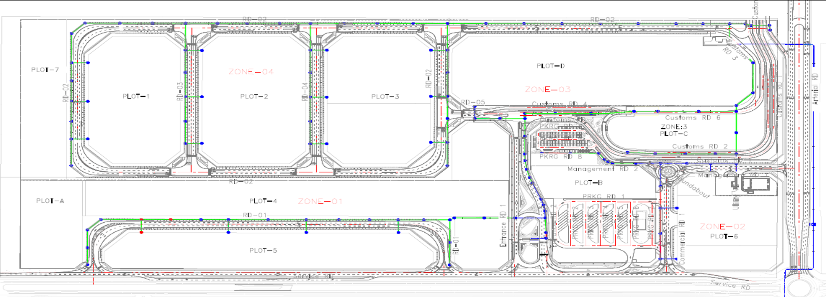
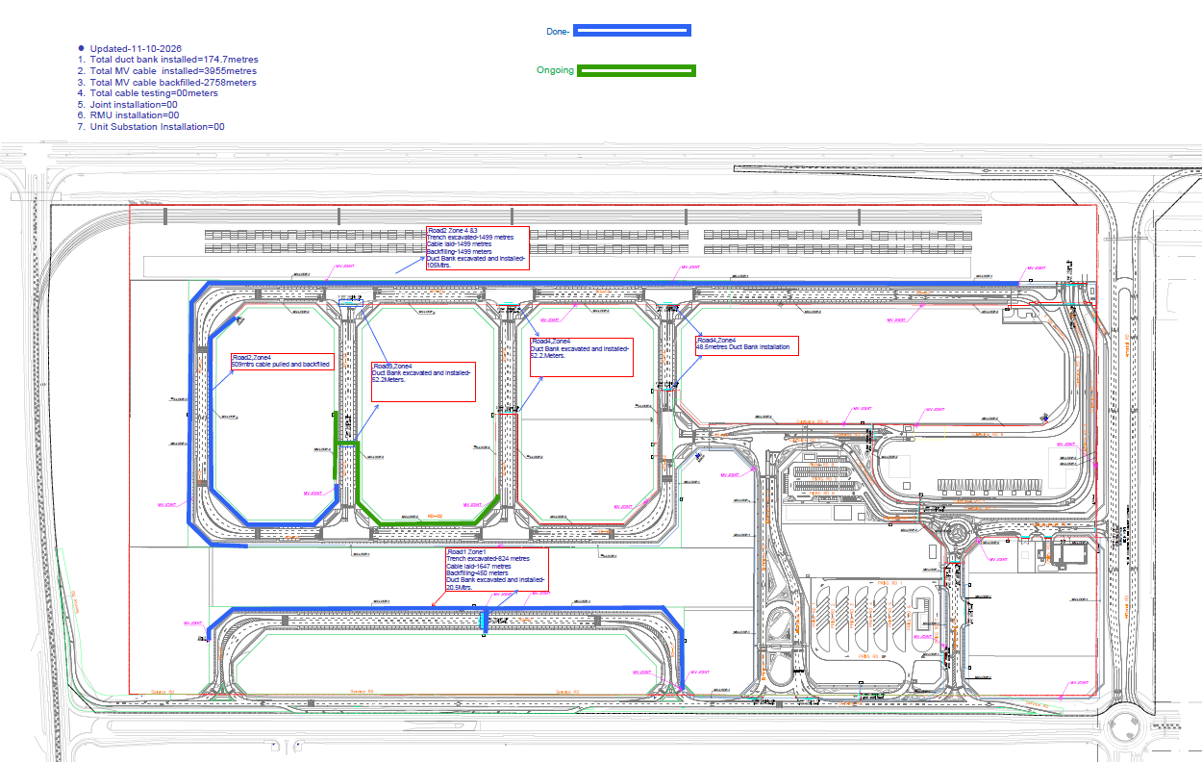
ELECTRICAL WORKS |  | 14,832,965.36 | 7.46% |  | Street Lighting Poles | 565.00 | 247.28 | 317.72 | 43.77% |  |  |  | TSE NETWORK | 1,525,335.35 | 0.77%
TELECOMMUNICATIONS |  | 4,558,897.35 | 2.29% |  | Telecommunication Network | 11,001.00 | 1,000.00 | 10,001.00 | 9.09% |  |  |  | SEWERAGE NETWORK | 5,243,677.64 | 2.64%
POTABLE WATER NETWORK |  | 1,974,578.98 | 0.99% |  | Road Works | 64,334.00 | 36,244.37 | 28,089.63 | 56.34% |  |  |  | SEWAGE LIFT STATION | 4,979,998.44 | 2.50%
FIREFIGHTING NETWORK |  | 4,850,538.01 | 2.44% |  | ملخص التوريدات |  |  |  |  |  |  |  | STORM WATER DRAINAGE NETWORK | 21,853,500.78 | 10.99%
POTABLE WATER PUMP STATION |  | 10,874,258.28 | 5.47% |  | البند | الكمية الكلية (م.ط) | الكمية الموردة (م.ط) | الكمية المتبقية (م.ط) | نسبة التوريد |  |  |  | LANDSCAPE WORK | 9,113,963.10 | 4.58%
TSE NETWORK |  | 1,525,335.35 | 0.77% |  | Sewer Pipes | 6,256.86 | 6,046.41 | 210.45 | 96.64% |  |  |  | GUARD ROOMS | 544,501.36 | 0.27%
SEWERAGE NETWORK |  | 5,243,677.64 | 2.64% |  | Sewer Manholes | 136.00 | 136.00 | - | 100.00%
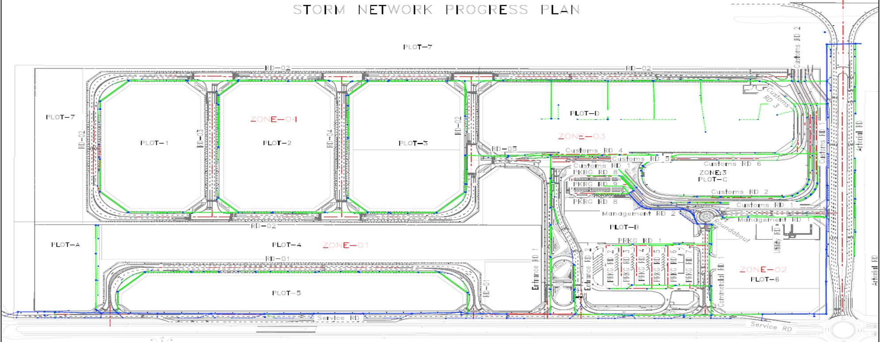
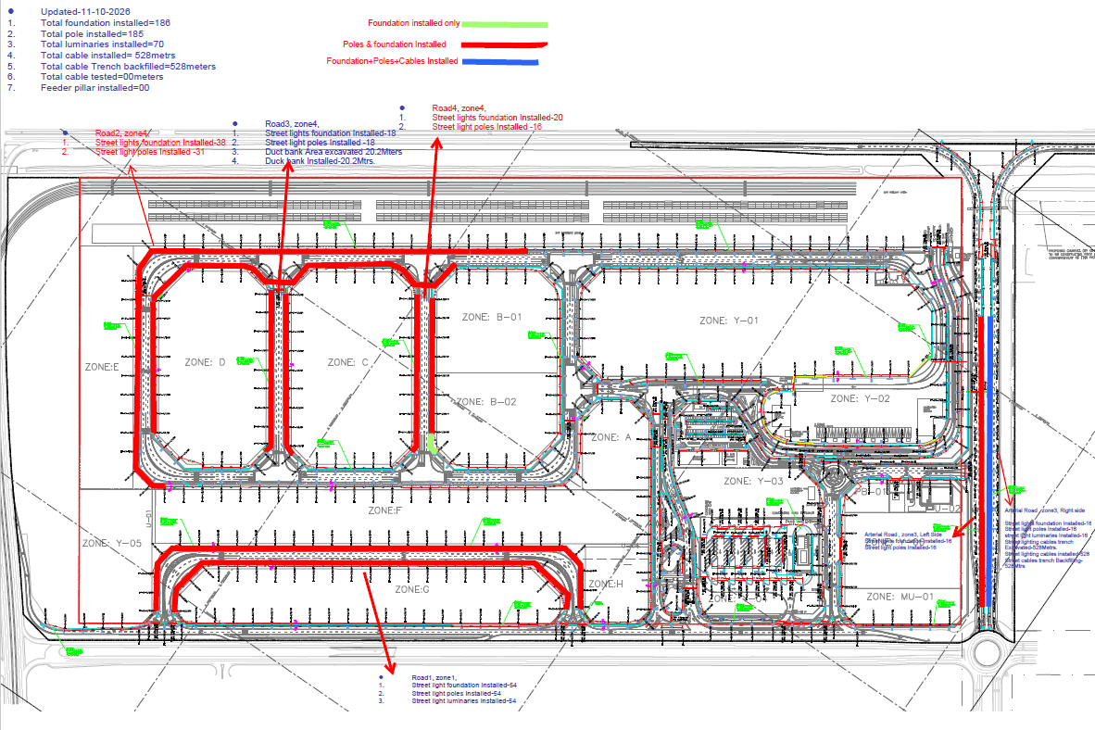
SEWAGE LIFT STATION |  | 4,979,998.44 | 2.50% |  | Storm Pipes (GRP+UPVC) | 14,999.60 | 14,999.60 | - | 100.00% |  | Strom Water Network | Street Lighting Network
STORM WATER DRAINAGE NETWORK |  | 21,853,500.78 | 10.99% |  | Storm Manholes | 163.00 | 163.00 | - | 100.00%
LANDSCAPE WORK |  | 9,113,963.10 | 4.58% |  | Storm Catch Basins | 338.00 | 338.00 | - | 100.00%
GUARD ROOMS |  | 544,501.36 | 0.27% |  | Potable Pipes (HDPE) | 7,217.00 | 7,217.00 | - | 100.00%
 |  |  |  |  | Firefighting Pipes (HDPE) | 6,268.68 | 6,268.68 | - | 100.00%
 |  |  |  |  | TSE Pipes (HDPE) | 17,678.00 | 17,678.00 | - | 100.00%
 |  |  |  |  | Medium Voltage Cables | 12,559.00 | 12,559.00 | - | 100.00%
الإجمالي |  | 198,906,163 | 100.01% |  | Unit Substation | 3.00 |  | 3.00 | 0.00% |  | Potable Water Network | LV Network
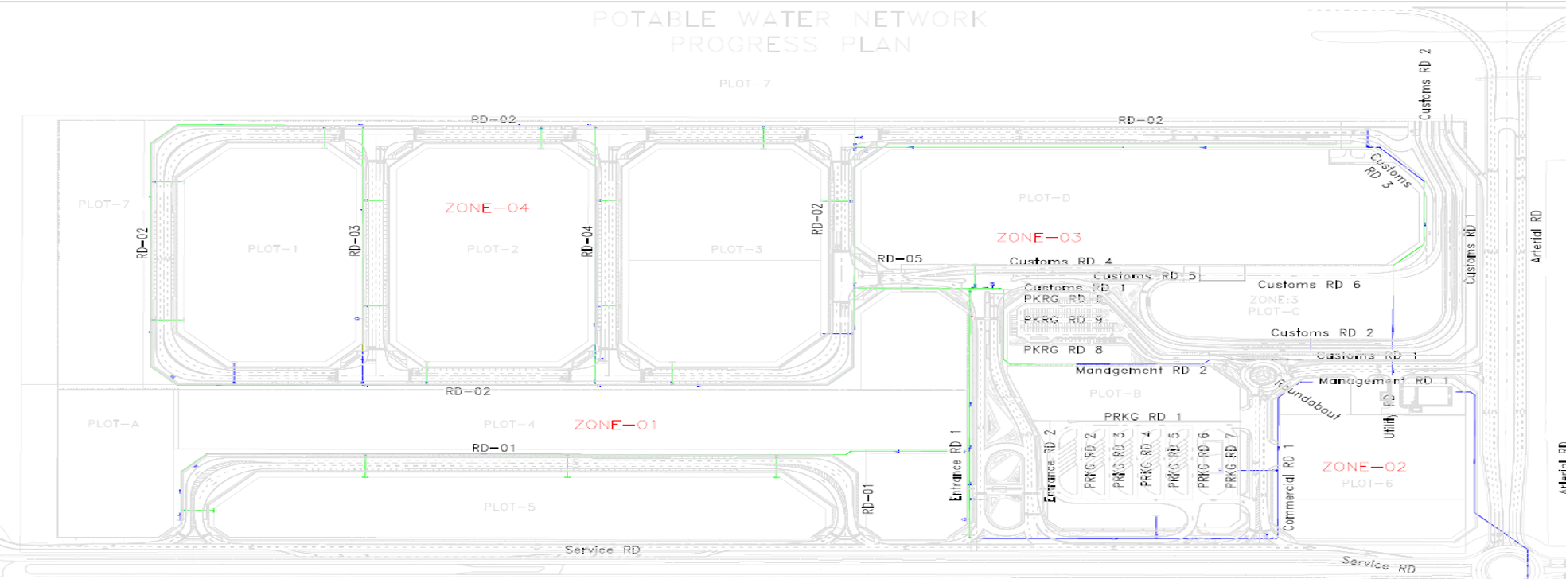
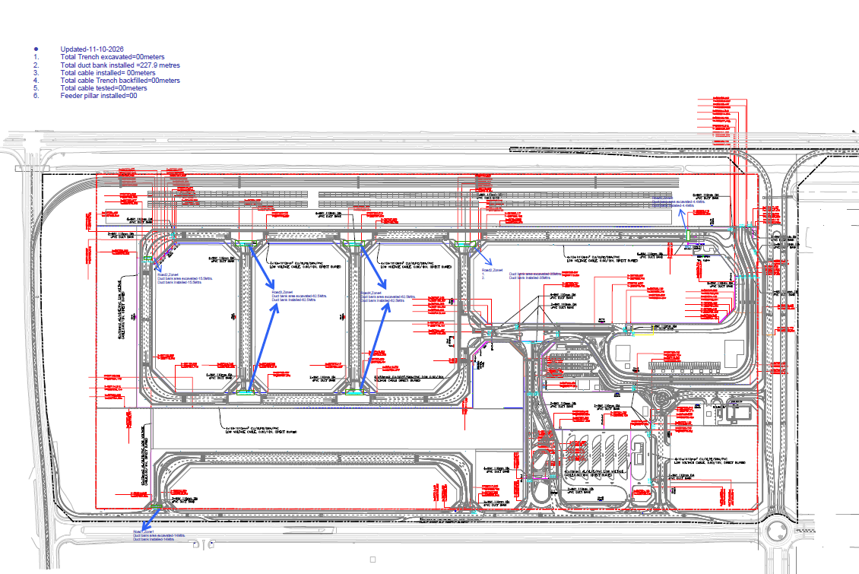
 |  |  |  |  | RMU | 3.00 |  | 3.00 | 0.00%
معالم البرنامج الزمني |  |  |  |  | Low Voltage Cables | 14,370.00 | 1,000.00 | 13,370.00 | 6.96%
البند |  | التاريخ حسب الجدول الزمني | ملاحظة (التاريخ الفعلي) |  | Street Lighting Cables | 21,525.00 | 4,500.00 | 17,025.00 | 20.91%
انتهاء من تجهيزات الموقع |  | 30-Aug-25 | 30-Aug-25 |  | Street Lighting Poles | 565.00 | 380.00 | 185.00 | 67.26%
انتهاء من تقديم خطة العمل والبرنامج الزمنى |  | 30-Aug-25 | 12-Nov-25
انتهاء من تقديم واعتماد المخططات والمواد |  | 30-Sep-25 | 8-Feb-26
انتهاء من الأعمال الكهربائية |  | 3-Oct-26 | 16-Jan-27 |  | التحديات
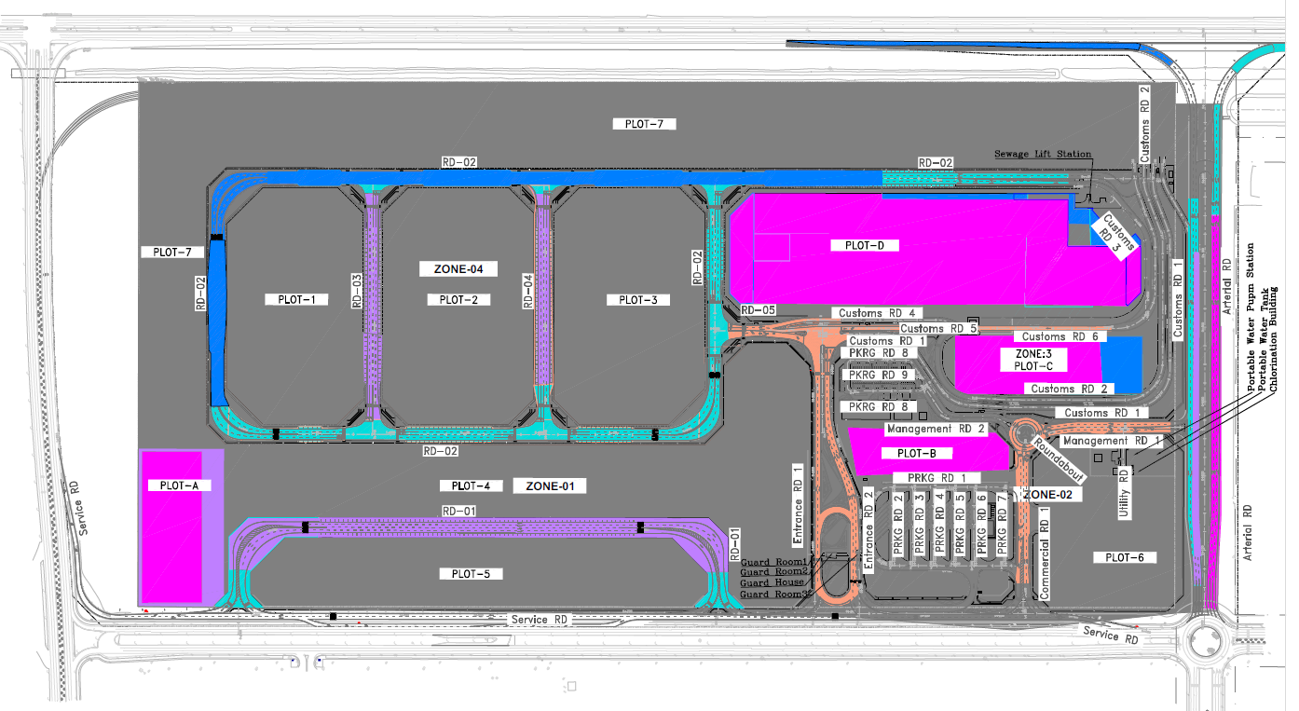
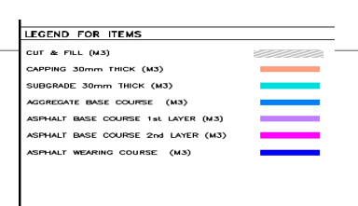
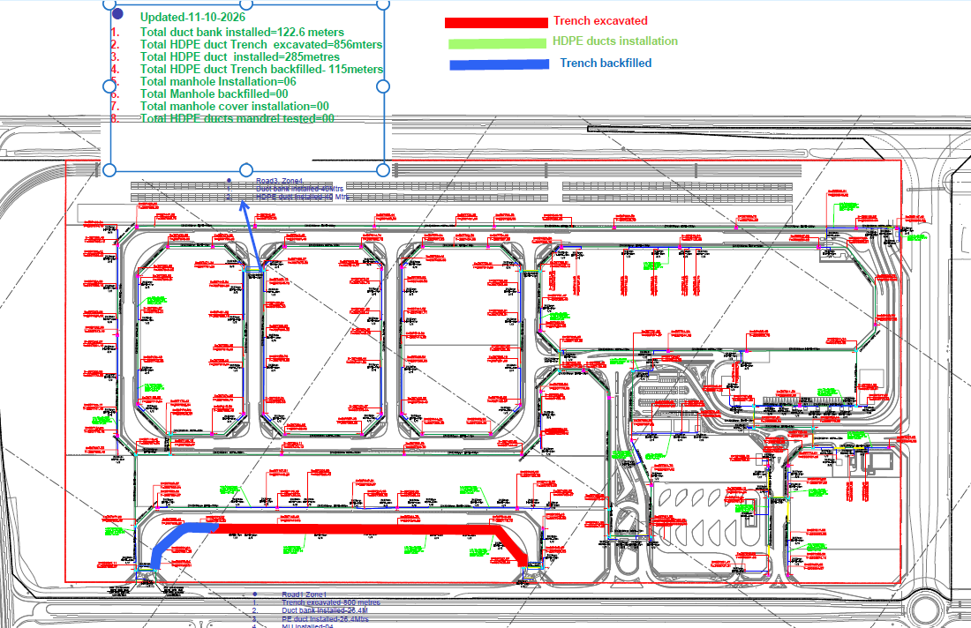
انتهاء من أعمال شبكة مياه الشرب |  | 24-Sep-26 | 28-Dec-26 |  | قلة عدد العمالة والمعدات وتوقف مقاول الباطن |  |  |  |  |  | Earth & Road Works | Telecom Network
انتهاء من أعمال شبكة الري |  | 2-Aug-26 | 27-Oct-26 |  | تأخر أعمال العبارة بالطريق الشرياني
انتهاء من أعمال شبكة مياه الصرف الصحي |  | 28-Apr-26 | 12-May-26 |  | ضرورة الانتهاء من تنفيذ الشبكات لتحقيق جاهزية الموقع وبدء أعمال الطرق
انتهاء من أعمال شبكة صرف مياه الامطار |  | 5-Sep-26 | 26-Dec-26

 | Activity ID | Activity Name | Original Duration | Activity Count | BL Project Start | BL Project Finish | Start | Finish | Budgeted Total Cost | Schedule % Complete | Performance % Complete
 | Sewarage Network |  | 162.86 | 304 | 11-Nov-25 | 28-Apr-26 | 11-Nov-25 A | 12-May-26 | 2,099,532.09 | 29% | 3.14%
 | Storm Water Drainage |  | 303.58 | 681 | 2-Dec-25 | 5-Sep-26 | 15-Dec-25 A | 26-Dec-26 | 14,030,918.34 | 11% | 0.43%
 | Potable Water Network |  | 214.4 | 188 | 9-Dec-25 | 16-Jul-26 | 15-Jan-26 | 11-Oct-26 | 787,572.64 | 6.34% | 0.00
 | TSE Network |  | 229.32 | 162 | 10-Jan-26 | 2-Aug-26 | 14-Jan-26 | 27-Oct-26 | 837,624.54 | 0.00% | 0.00
 | Firefighting Network |  | 214.79 | 232 | 5-Jan-26 | 16-Jul-26 | 15-Jan-26 | 11-Oct-26 | 1,894,922.32 | 1.42% | 0.00
 | Potable Water Pump Station |  | 284 | 141 | 8-Jun-26 | 24-Sep-26 | 07-Dec-25 A | 28-Dec-26 | 8,451,419.05 | 0.00% | 0.00
 | Sewage Lift Station |  | 318 | 78 | 14-Jun-26 | 5-Oct-26 | 07-Dec-25 A | 1-Feb-27 | 3,027,598.51 | 0.00% | 0.00
 | Medium Voltage Network |  | 230 | 90 | 5-Jan-26 | 2-Aug-26 | 14-Jan-26 | 27-Oct-26 | 2,557,026.81 | 0.18% | 0.00
 | Low Voltage Network |  | 227.64 | 95 | 1-Feb-26 | 11-Jul-26 | 14-Jan-26 | 25-Oct-26 | 1,140,610.58 | 0.00% | 0.00
 | Street Lighting Network |  | 287 | 250 | 5-Feb-26 | 17-Sep-26 | 14-Jan-26 | 2-Jan-27 | 3,337,456.91 | 0.00% | 0.00
 | Telecommunication Network |  | 271.35 | 252 | 15-Jan-26 | 3-Oct-26 | 15-Feb-26 | 16-Jan-27 | 1,874,663.34 | 0% | 0%
 | Guard Rooms |  | 246.45 | 75 | 16-Apr-26 | 17-Aug-26 | 23-Feb-26 | 23-Dec-26 | 513,138.20 | 0% | 0%
 | Landscape Green Areas |  | 302 | 32 | 14-Jul-26 | 8-Nov-26 | 1-Mar-26 | 1-Mar-27 | 5,665,437.16 | 0% | 0%
 | Fences & Gates |  | 284 | 66 | 27-Jun-26 | 17-Oct-26 | 25-Feb-26 | 6-Feb-27 | 3,869,777.74 | 0% | 0.00%
 | Roads |  | 370 | 365 | 28-Jan-26 | 24-Nov-26 | 20-Nov-25 A | 17-Mar-27 | 62,250,682.66 | 0% | 4%

